Sheet1
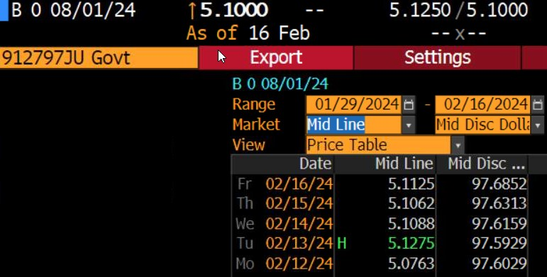
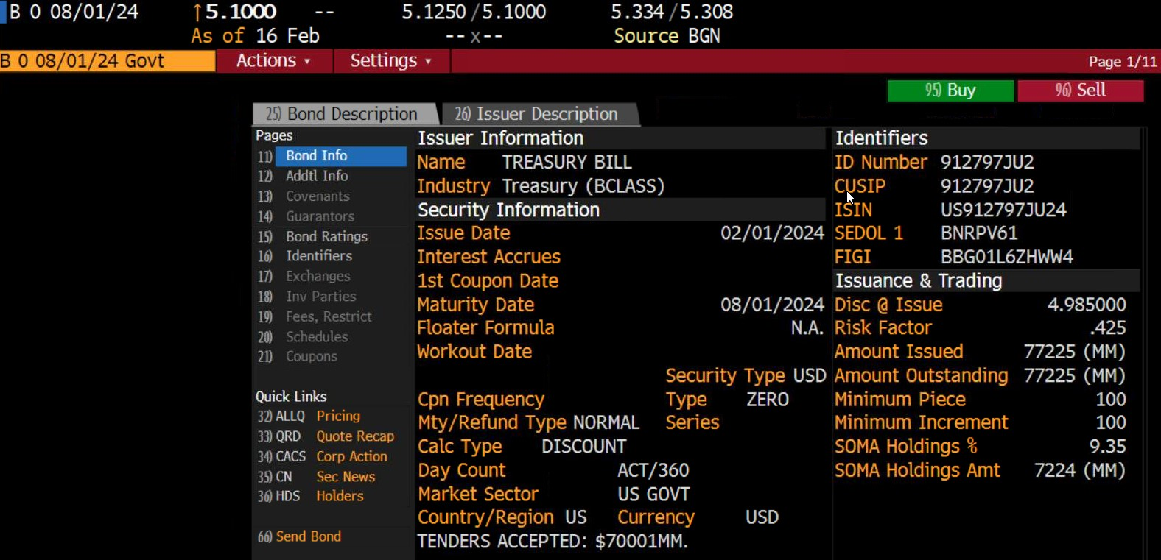
T-bill price calc
Price quoted on Friday, 2/16/2024
Settlement on Monday, 2/19/2024

Day counts
10 days from 2/19/2024 to 1/3/3024
31 days to Apr. 1
30 days to May 1
31 days to June 1
30 days to Jul 1
31 days to Aug 1 (Maturity date)
Days to maturity | 163

Price | 97.6852

